Reciepts - Documentation
2019 Titan Diesel MSRP (Reciepts - Documentation)
Component | Description/ Details | Retail Cost of Added Item | Sled MSRP or Highest Value | Comments:

2019 model year base sled (reflects engine choice) | Polaris Titan XC | $8,519.40 | $14,199.00 | 2019 Sled MSRP x 60%
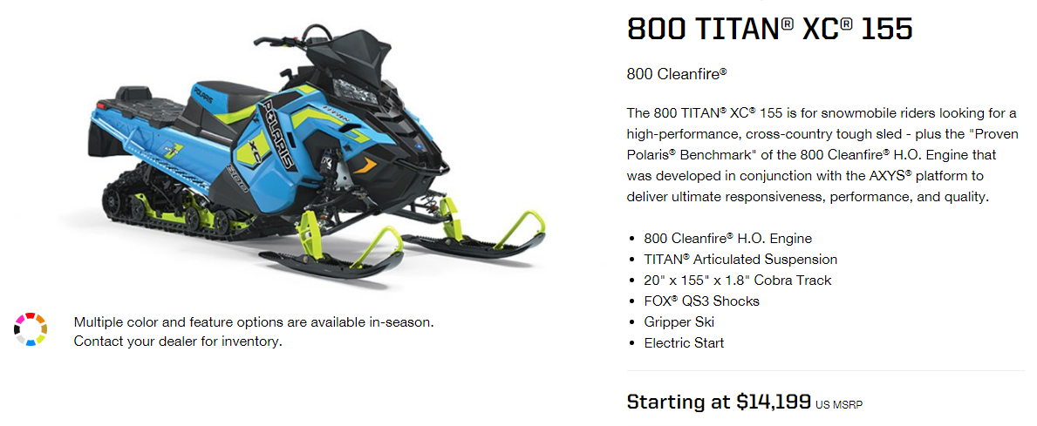

Diesel Engine | Smart ForTwo 0.8 L CDI OM660 | $2,345.50 |  | Euros to USD Conversion as of 2/15/19
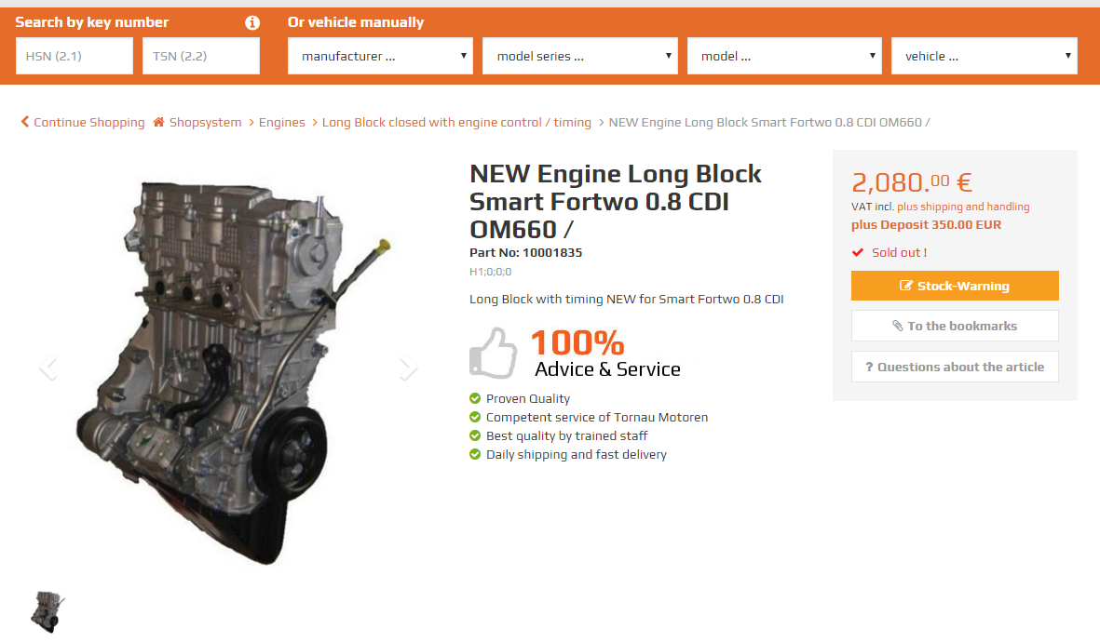

Diesel Particulate Filter | Volkswagen P/N: 1K0-254-705-G DOC/DPF Combination | $1,619.36
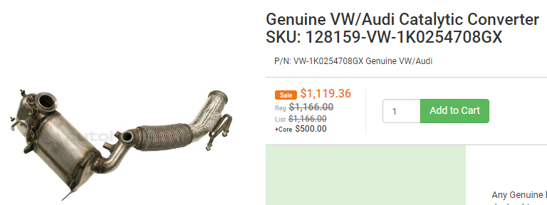

Track | Camso 9089U 1P Utility Track | $899.00
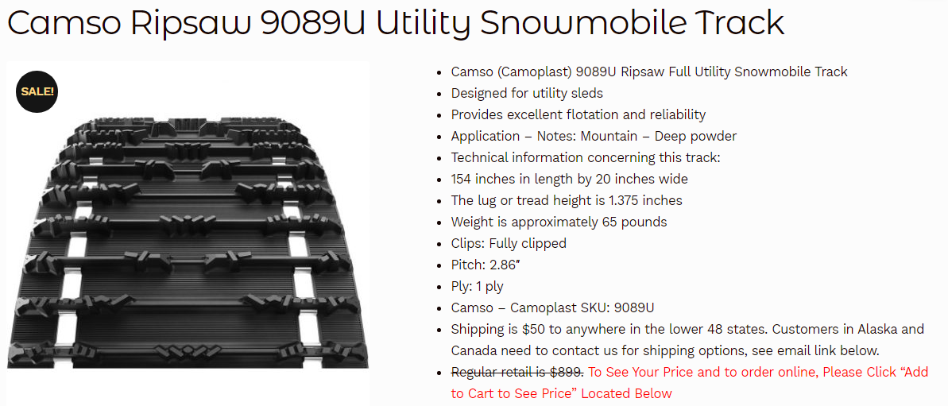

Studs | Woody's Studs 1.575 - 5/16 - 144 PC | $337.95

Catalytic Converter | Magnaflow Universal Catalytic Converter | $219.23
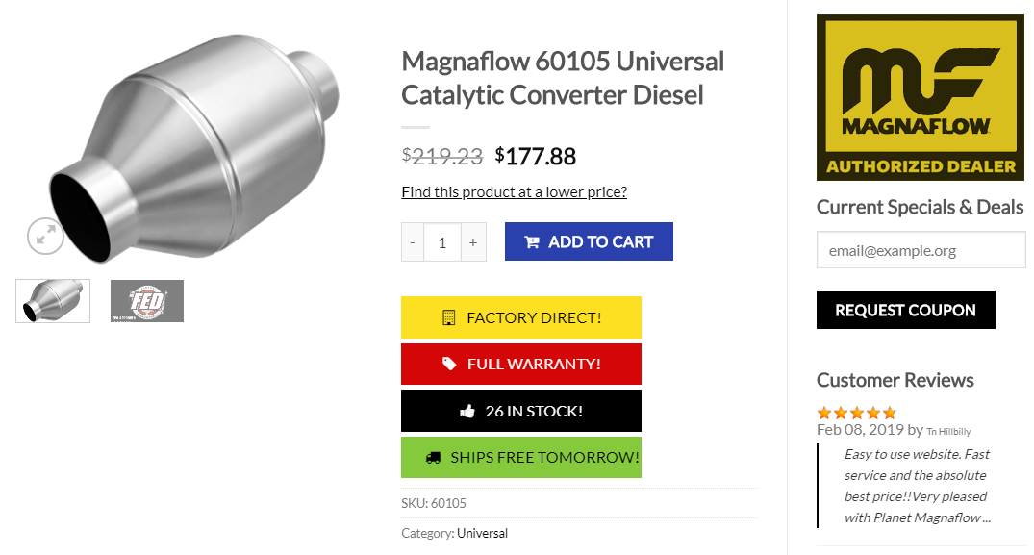

Skis | Polaris Pro Float | $149.99
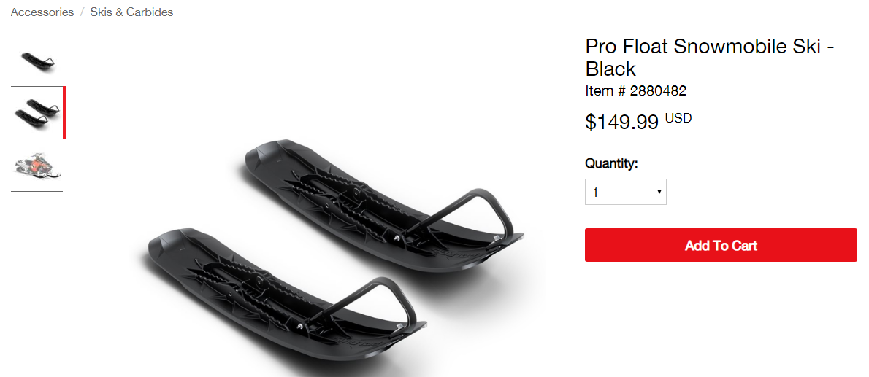
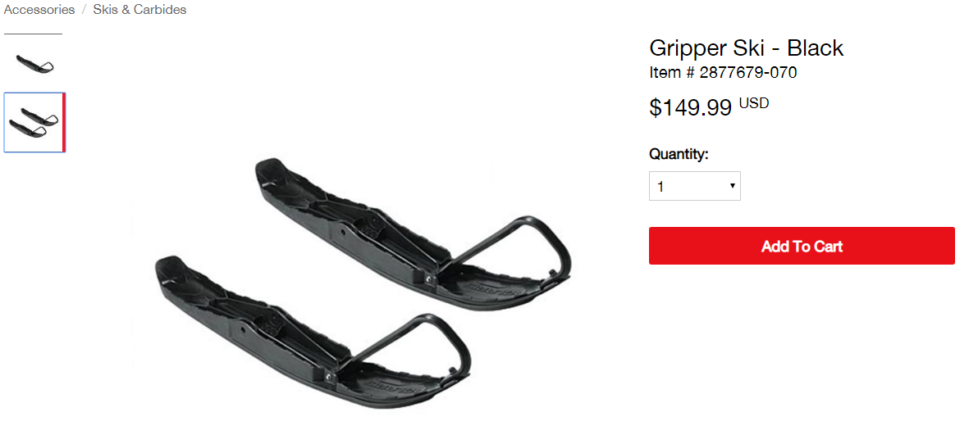

Raspberry Pi 3 | Model B+ - 1.4 GHz Cortex- A53 | $35.00

HDMI 4 Pi | 5" Display w/touch and mini Driver 800x480 HDMI | $79.95

Lizard Skin 50111 | Lizard Skcin Sound Control | $78.52

Heavy Duty Rear Mout Oil Gear | 12V DC 3.2 GPM Scavenge Replace STS | $63.80
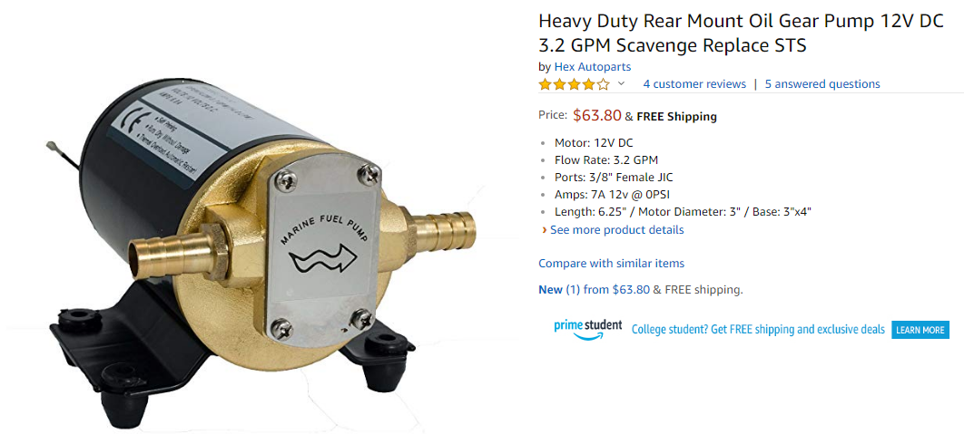

Clutch Cover Material | 6061Diamond Plate Aluminum | $89.55

PiC2 | CAN interface for Raspberry Pi 2/3 | $49.95
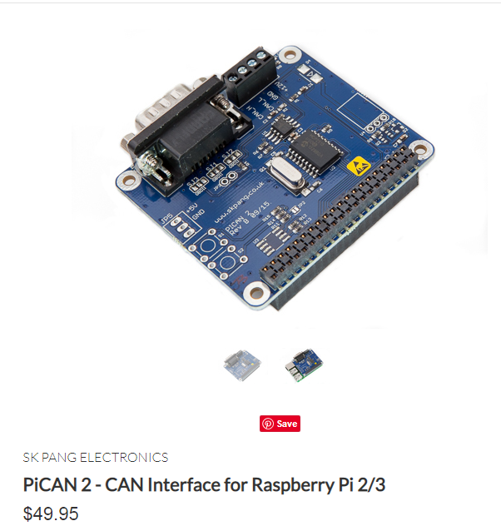

Oil Reservoir | Aluminium Sheet 4'x4'x0.125' - For building two reservoirs | $92.32

OM660 ECU/IDM Package | SCS Delta 400/Piezo | $2,000.87 | Converted from 1,550 euros on 2/17
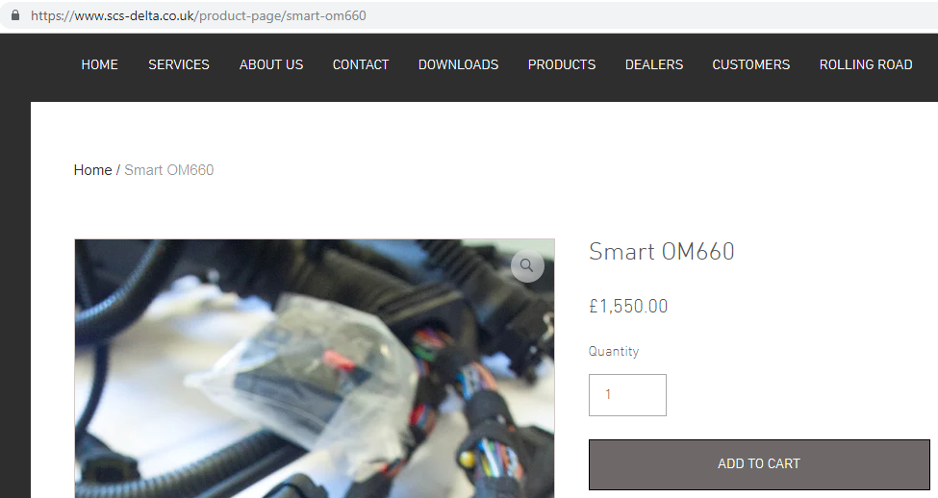

Polaris Stock ECU | 4016143 | $561.81

Clutch Adaptor | AISI 1045 steel 4"x 12" round bar | $63.85

Electronic Power Steering (EPS) | Assist Motor, Ujoint, and controller | $309.46

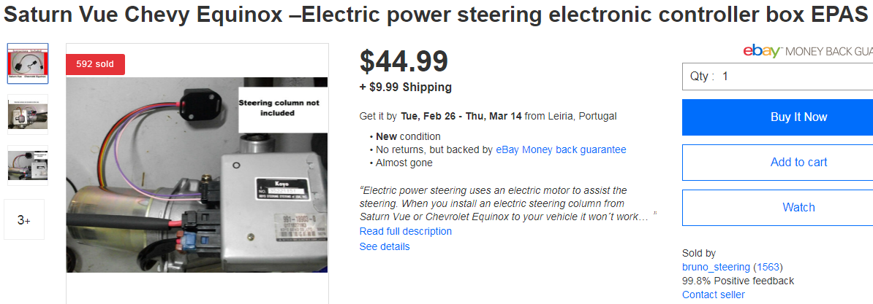

Battery | Duralast part no: 65-DL | $129.99
