Reciepts - Documentation
 |  |  |  |  |  |  |  |  |  | https://www.ski-doo.com/build-and-price/vehicle-configuration.html?configAirProfileName=BRP_SKI&configAirPlatformId=SKI_RENEGADE&modelYear=2019
 |  |  | 2019 Ski-Doo MXZ Sport 600 ACE: $8999.00 |  |  |  |  |  | Link: | https://www.ski-doo.com/build-and-price/vehicle-configuration.html?configAirProfileName=BRP_SKI&configAirPlatformId=SKI_MXZ&modelYear=2019

$8299.00+$9349.00-$8649.00=$8999.00 |  |  |  | *MXZ Sport no longer is built with an ACE 600 only with the carb 600, Renegade Sport is built with both.
 |  |  |  | I built the Renegade Sport the same way except with the different engines to obtain the upcharge for the ACE 600 then added that price to the 2019 MXZ Sport
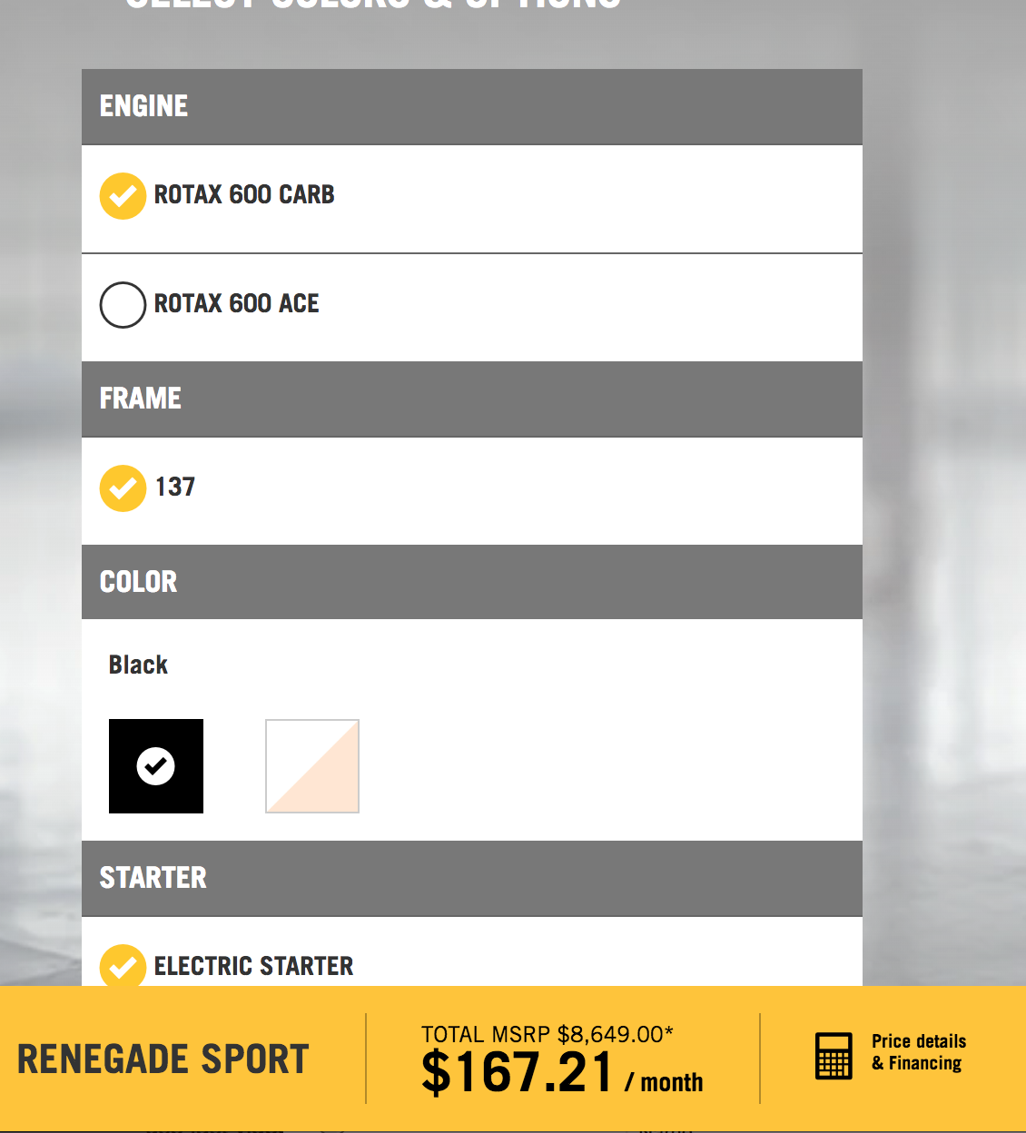
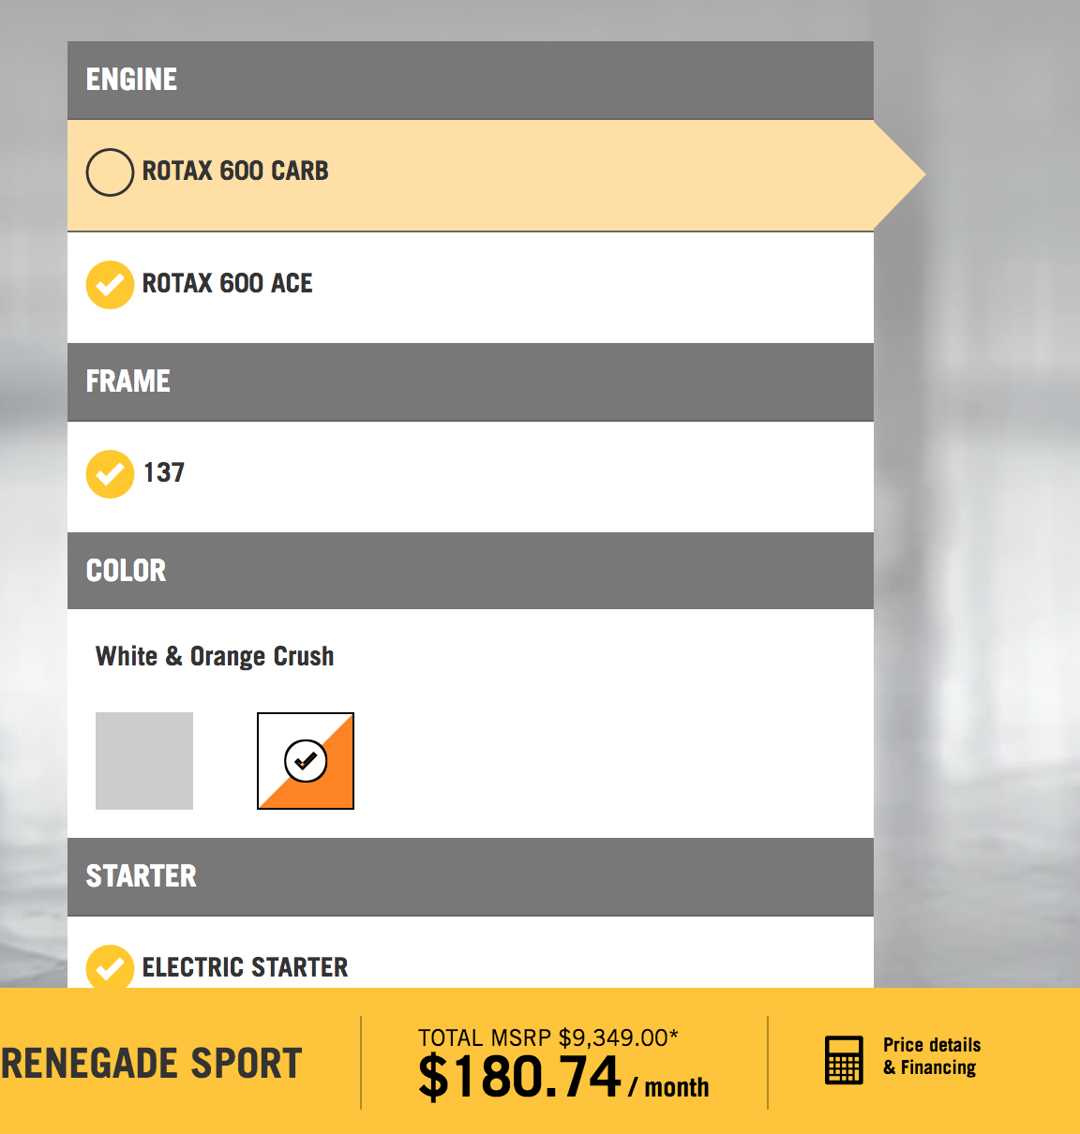
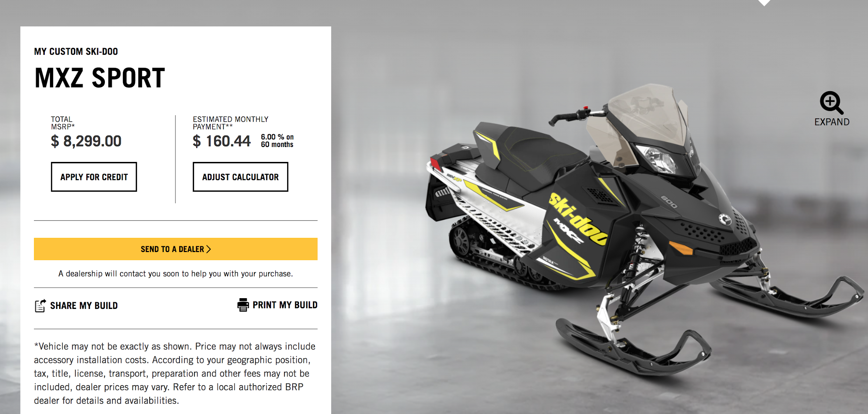

 |  | EGR Valve: $61.35 |  | Link: | https://www.autopartskart.com/sku/deeg10176.html?gclid=Cj0KCQiAwp_UBRD7ARIsAMie3XY6rey_NDhNY4ZxNpvtQt1BwGgjk4l0zj_FNpBodxk4VrIG6b6q03EaAnDuEALw_wcB

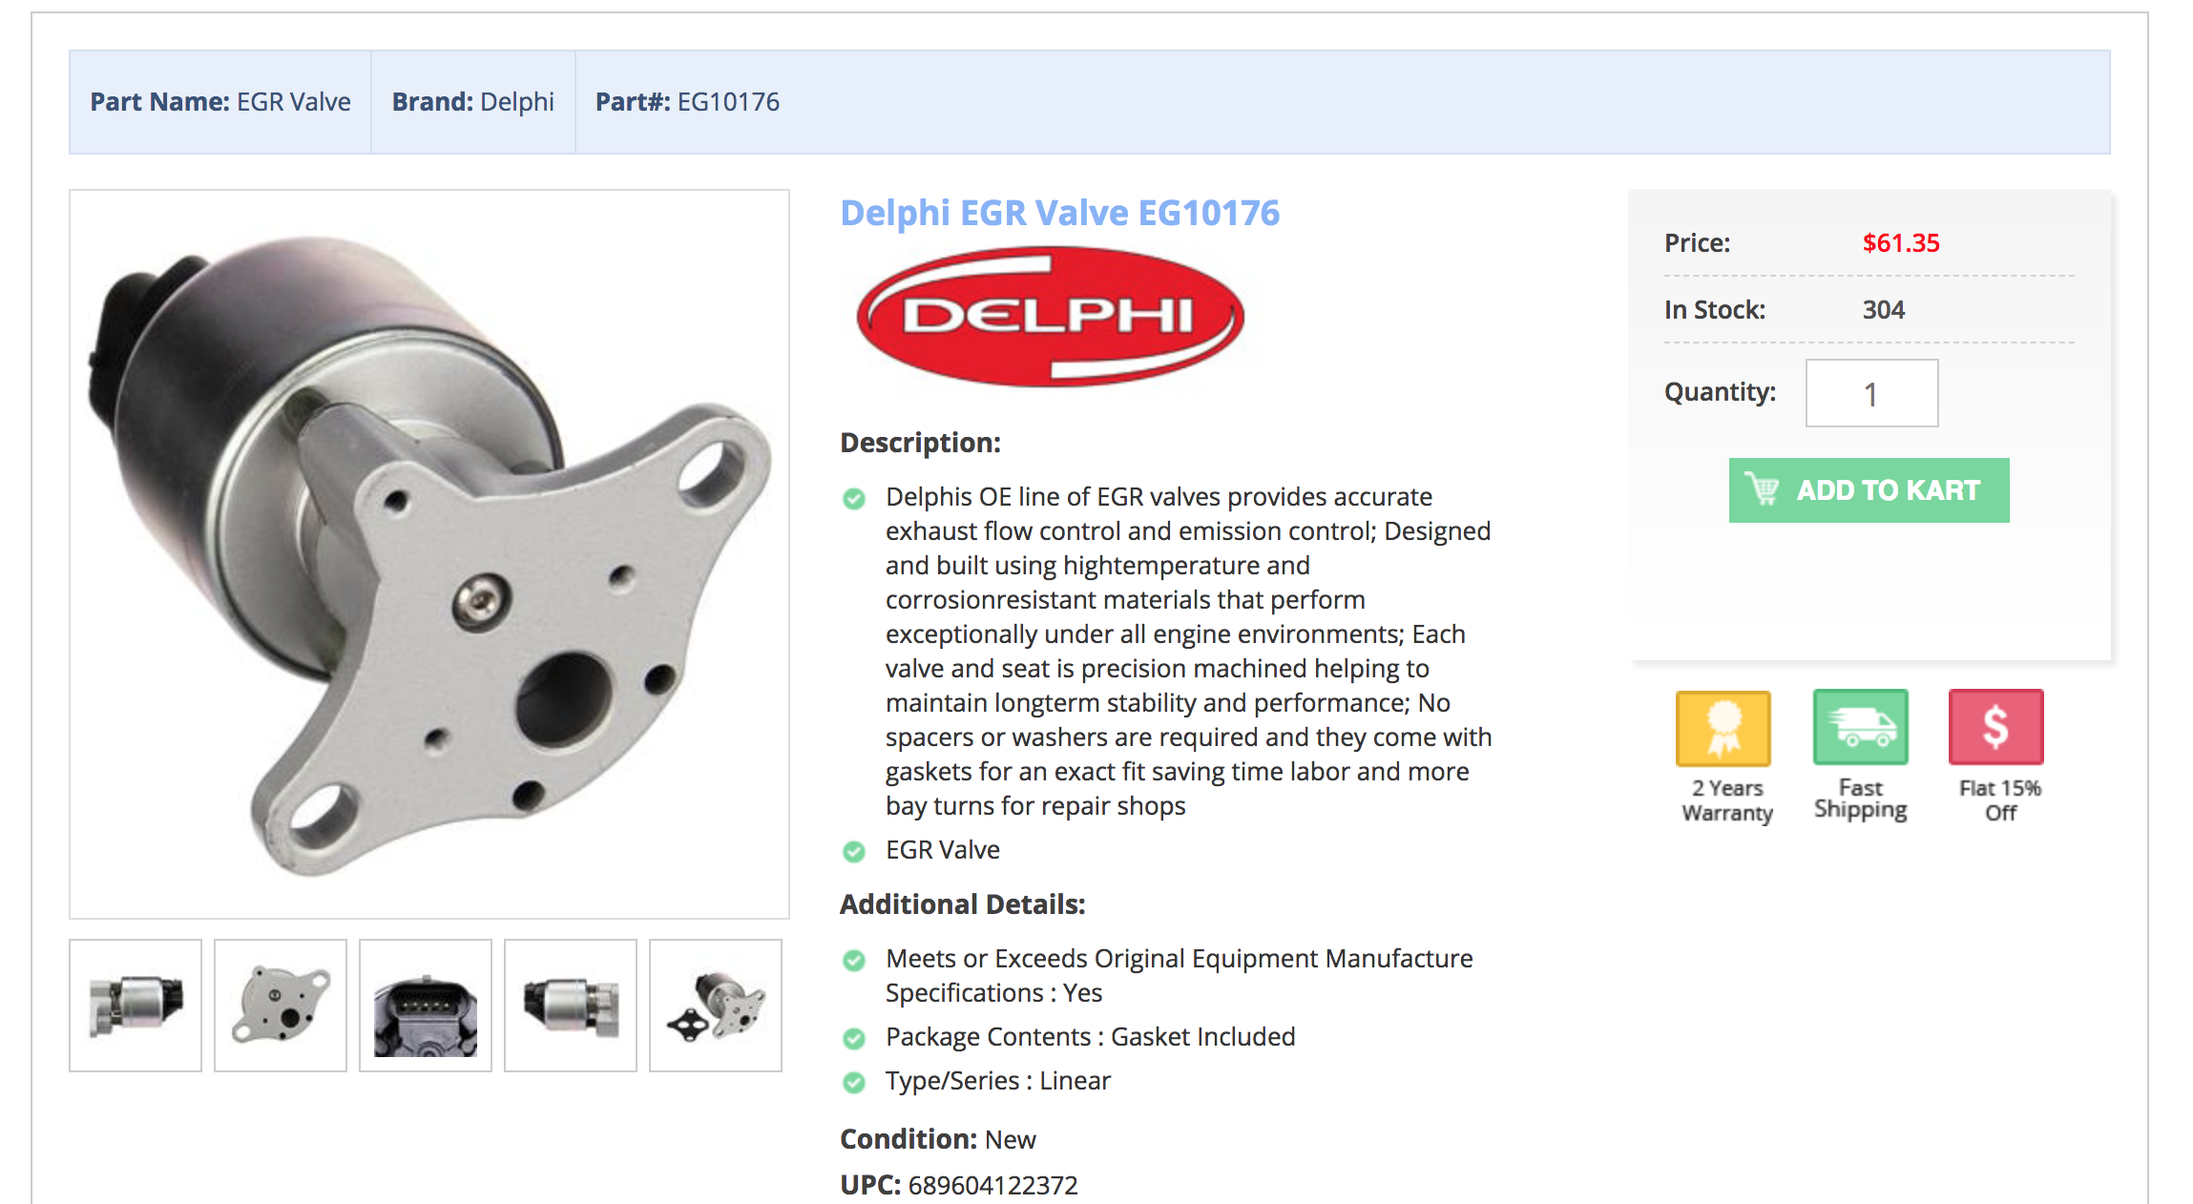

 | Ski-Doo Deflectors: $72.94 |  |  |  | Link: | https://www.google.com/search?q=ski+doo+deflector+extension+kit&oq=ski+doo+deflector+extension+kit&aqs=chrome..69i57.5247j0j9&sourceid=chrome&ie=UTF-8

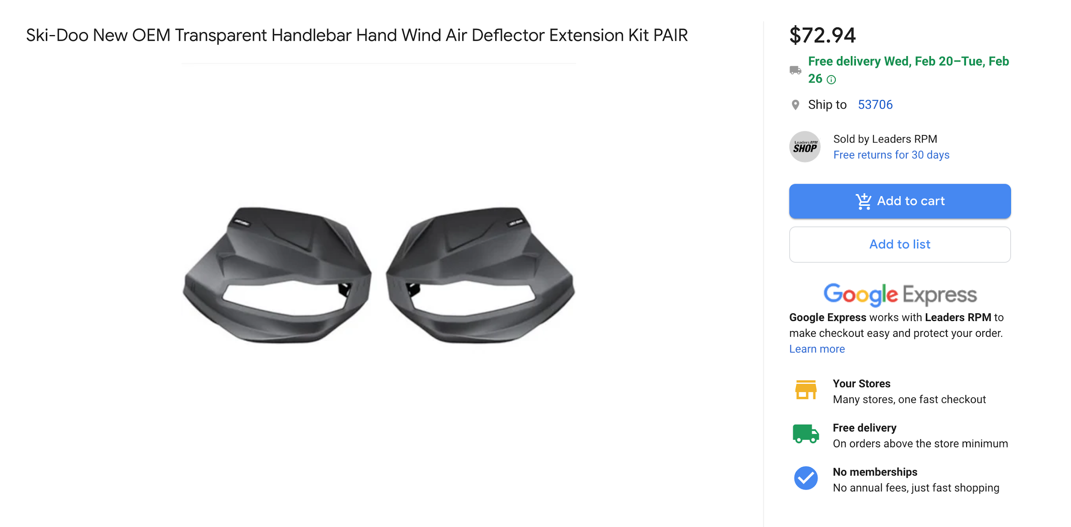

 | EGR Outer Tubing = 7" * $2.59/in = $18.13 |  |  |  |  | Link: | http://www.speedymetals.com/pc-4510-8276-3-od-x-065-wall-tube-304-stainless-steel-annealed.aspx

 | EGR Inner Tubing = 16 tubes * 7" * $0.42/in. = 47.07 |  |  |  |  |  | Link: | http://www.speedymetals.com/pc-4465-8276-38-od-x-0028-wall-tube-304-stainless-steel-annealed.aspx

 | Camoplast Rip Saw II Track: $425.00 |  |  |  |  | Link: | https://www.snowmobiletrackwarehouse.com/product/30435/ripsaw-ii-15x120x1-0-camoplast-snowmobile-track-9158h

 | Mass Air Flow Sensor: $69.15 |  |  |  | Link: | https://www.gmpartscenter.net/oem-parts/gm-mass-air-flow-sensor-12671625
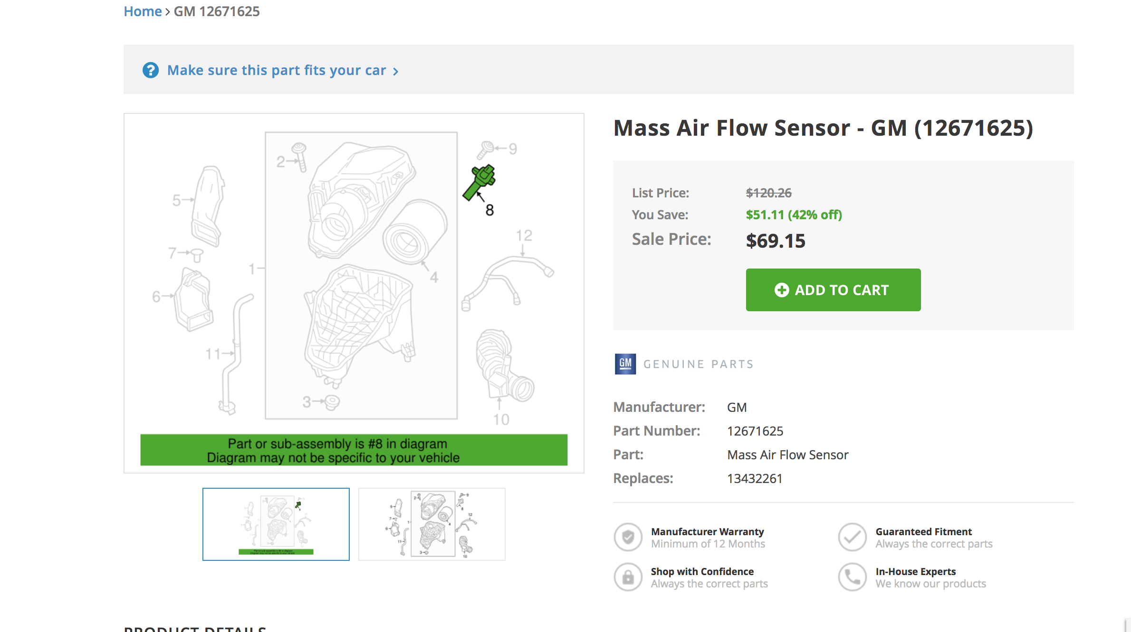

 | EGR Temperature Sensor: $39.99 |  |  |  | Link: | https://www.skidoopartsnation.com/oemparts/p/ski_doo/278002895/temperature-sensor

 | Catalyst Rhodium pricing: $82.95/g |  |  |  |  | Link: | http://www.infomine.com/investment/metal-prices/rhodium/1-month/
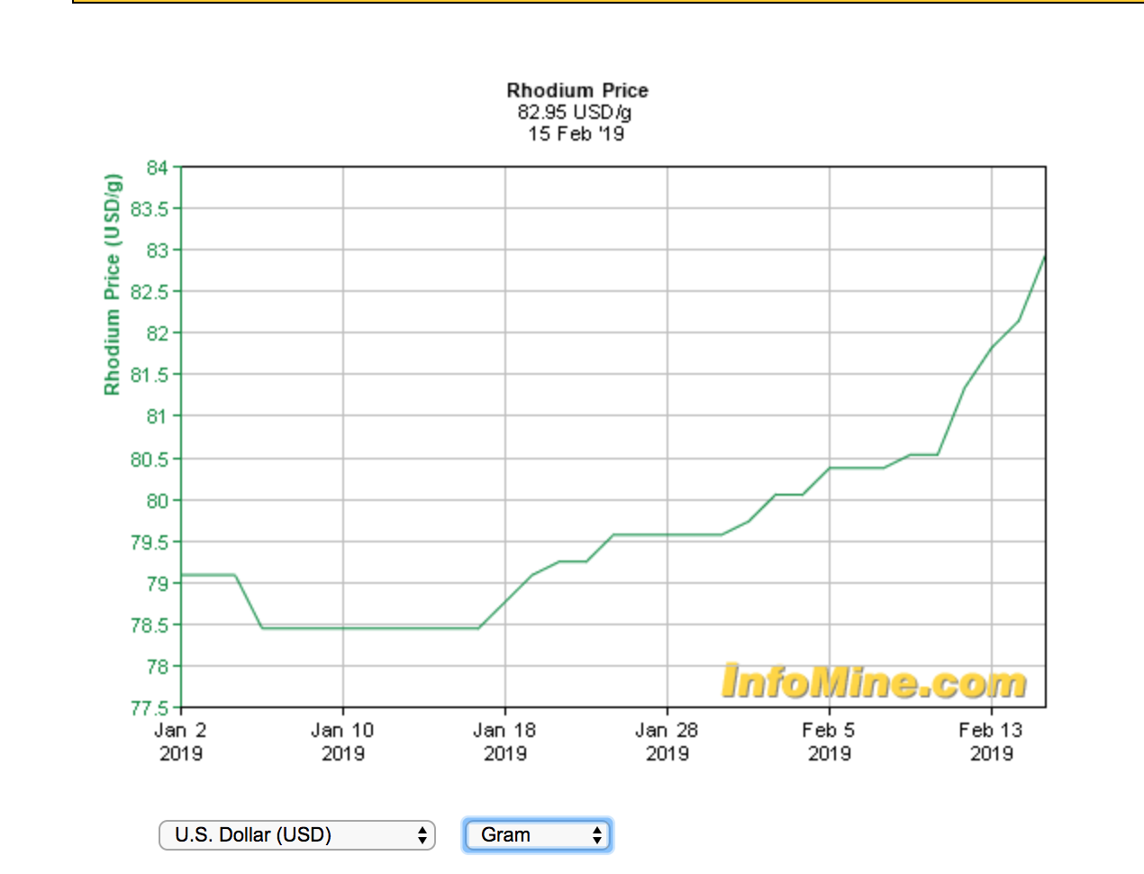

 | Catalyst Platinum pricing: $792/ounce |  |  |  |  | Link: | http://markets.businessinsider.com/commodities/platinum-price
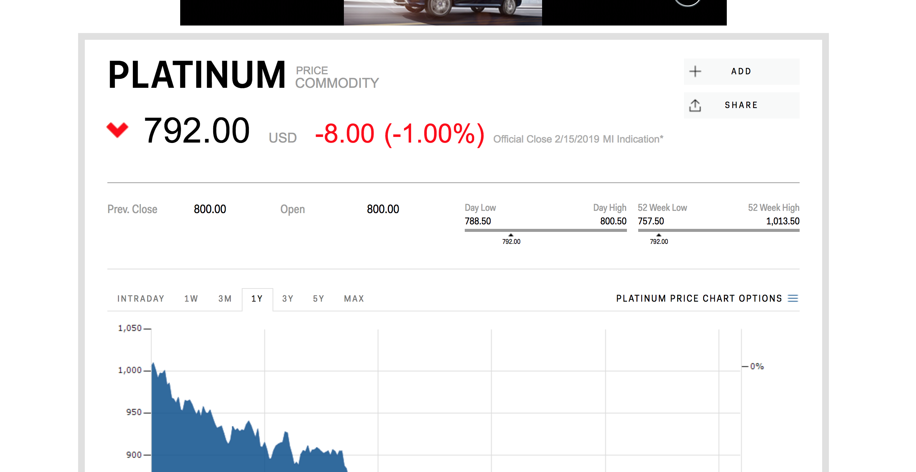

 | Fox Float 2 rear track suspension shock: $223.52 |  |  |  |  |  |  | Link: | https://www.google.com/aclk?sa=l&ai=DChcSEwjIw8HTqsHgAhXEhmkKHVf0Bk0YABAOGgJpcQ&sig=AOD64_098NOaELApXE1MI79F3s41J_ssFg&ctype=5&q=&ved=0ahUKEwj85rzTqsHgAhUo3IMKHfGwDE8QwzwIPw&adurl=
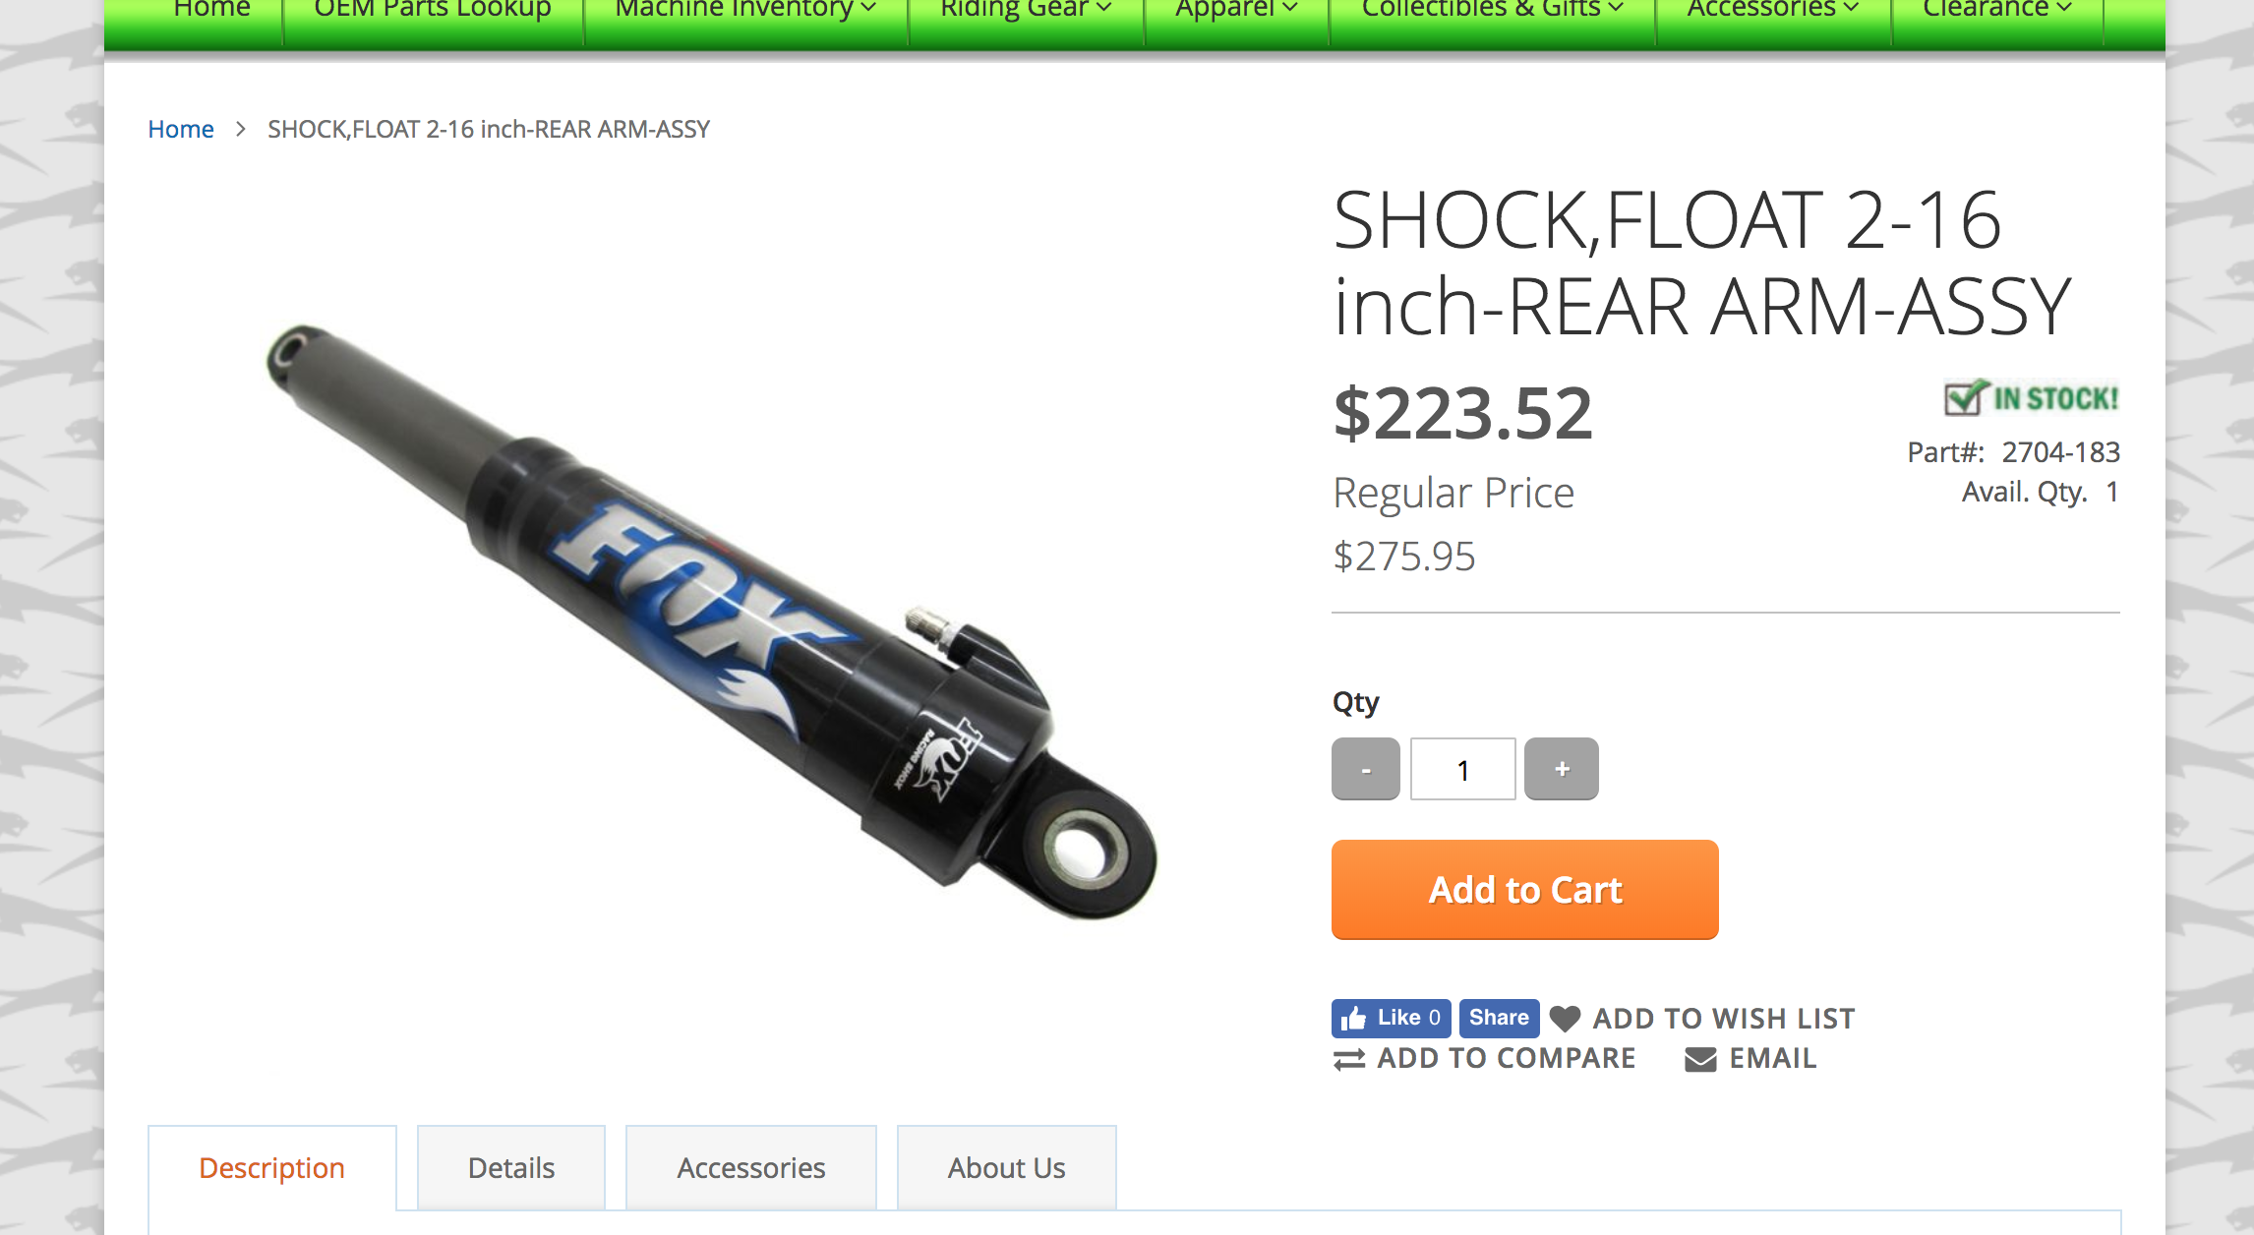

 | LizardSkin $140.99/2 gallon |  |  |  | Link: | http://www.jegs.com/i/Lizard-Skin/628/2203-2/10002/-1?CAWELAID=230006180023155690&CAGPSPN=pla&CAAGID=55675826611&CATCI=pla-324540339520&CATARGETID=230006180037476123&cadevice=c&gclid=Cj0KCQiAwp_UBRD7ARIsAMie3XaTdaxtG7xzHxcrZ9xG1TE1o22VwpFRTCg8wJe2JL6W1lrOhgf2qfAaAlS5EALw_wcB
 | 9.1 sq. feet. used per snowmobile out of 50 sq. feet in 2 gallons so: 9.1/50*$140.99 = $25.66
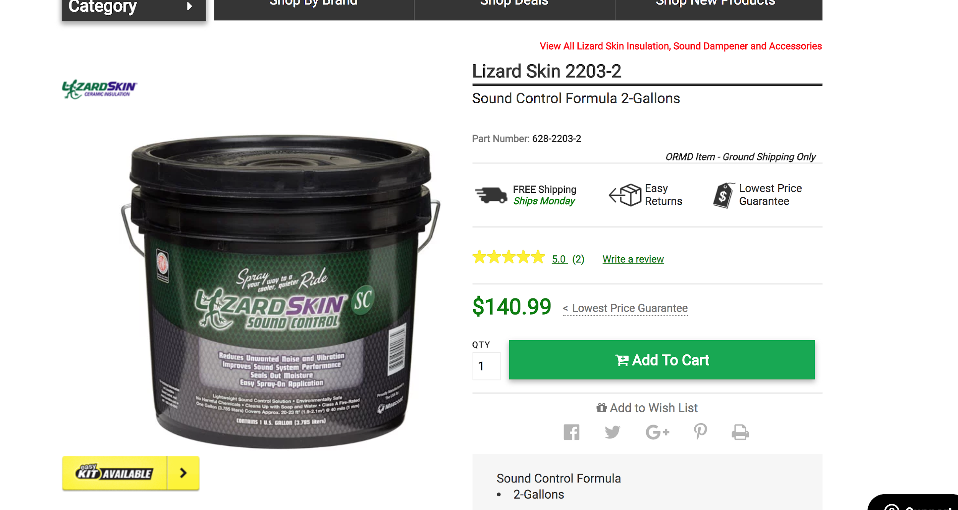

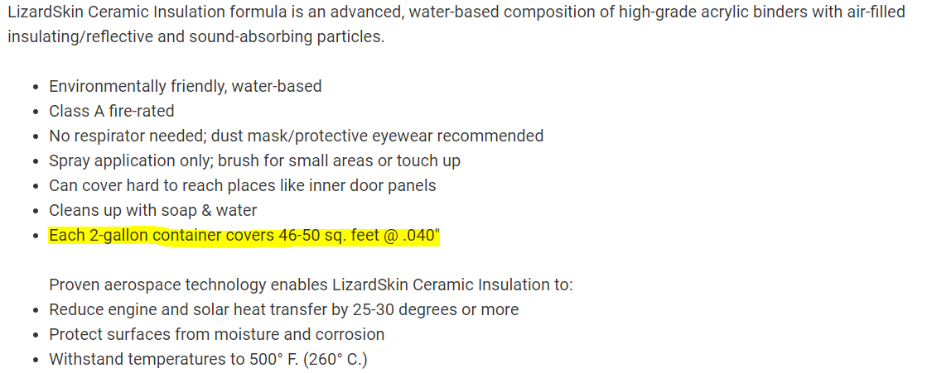

 | Titanium Header Wrap: $18.99 |  |  |  | Link: | http://www.jegs.com/i/DEI/186/010129/10002/-1

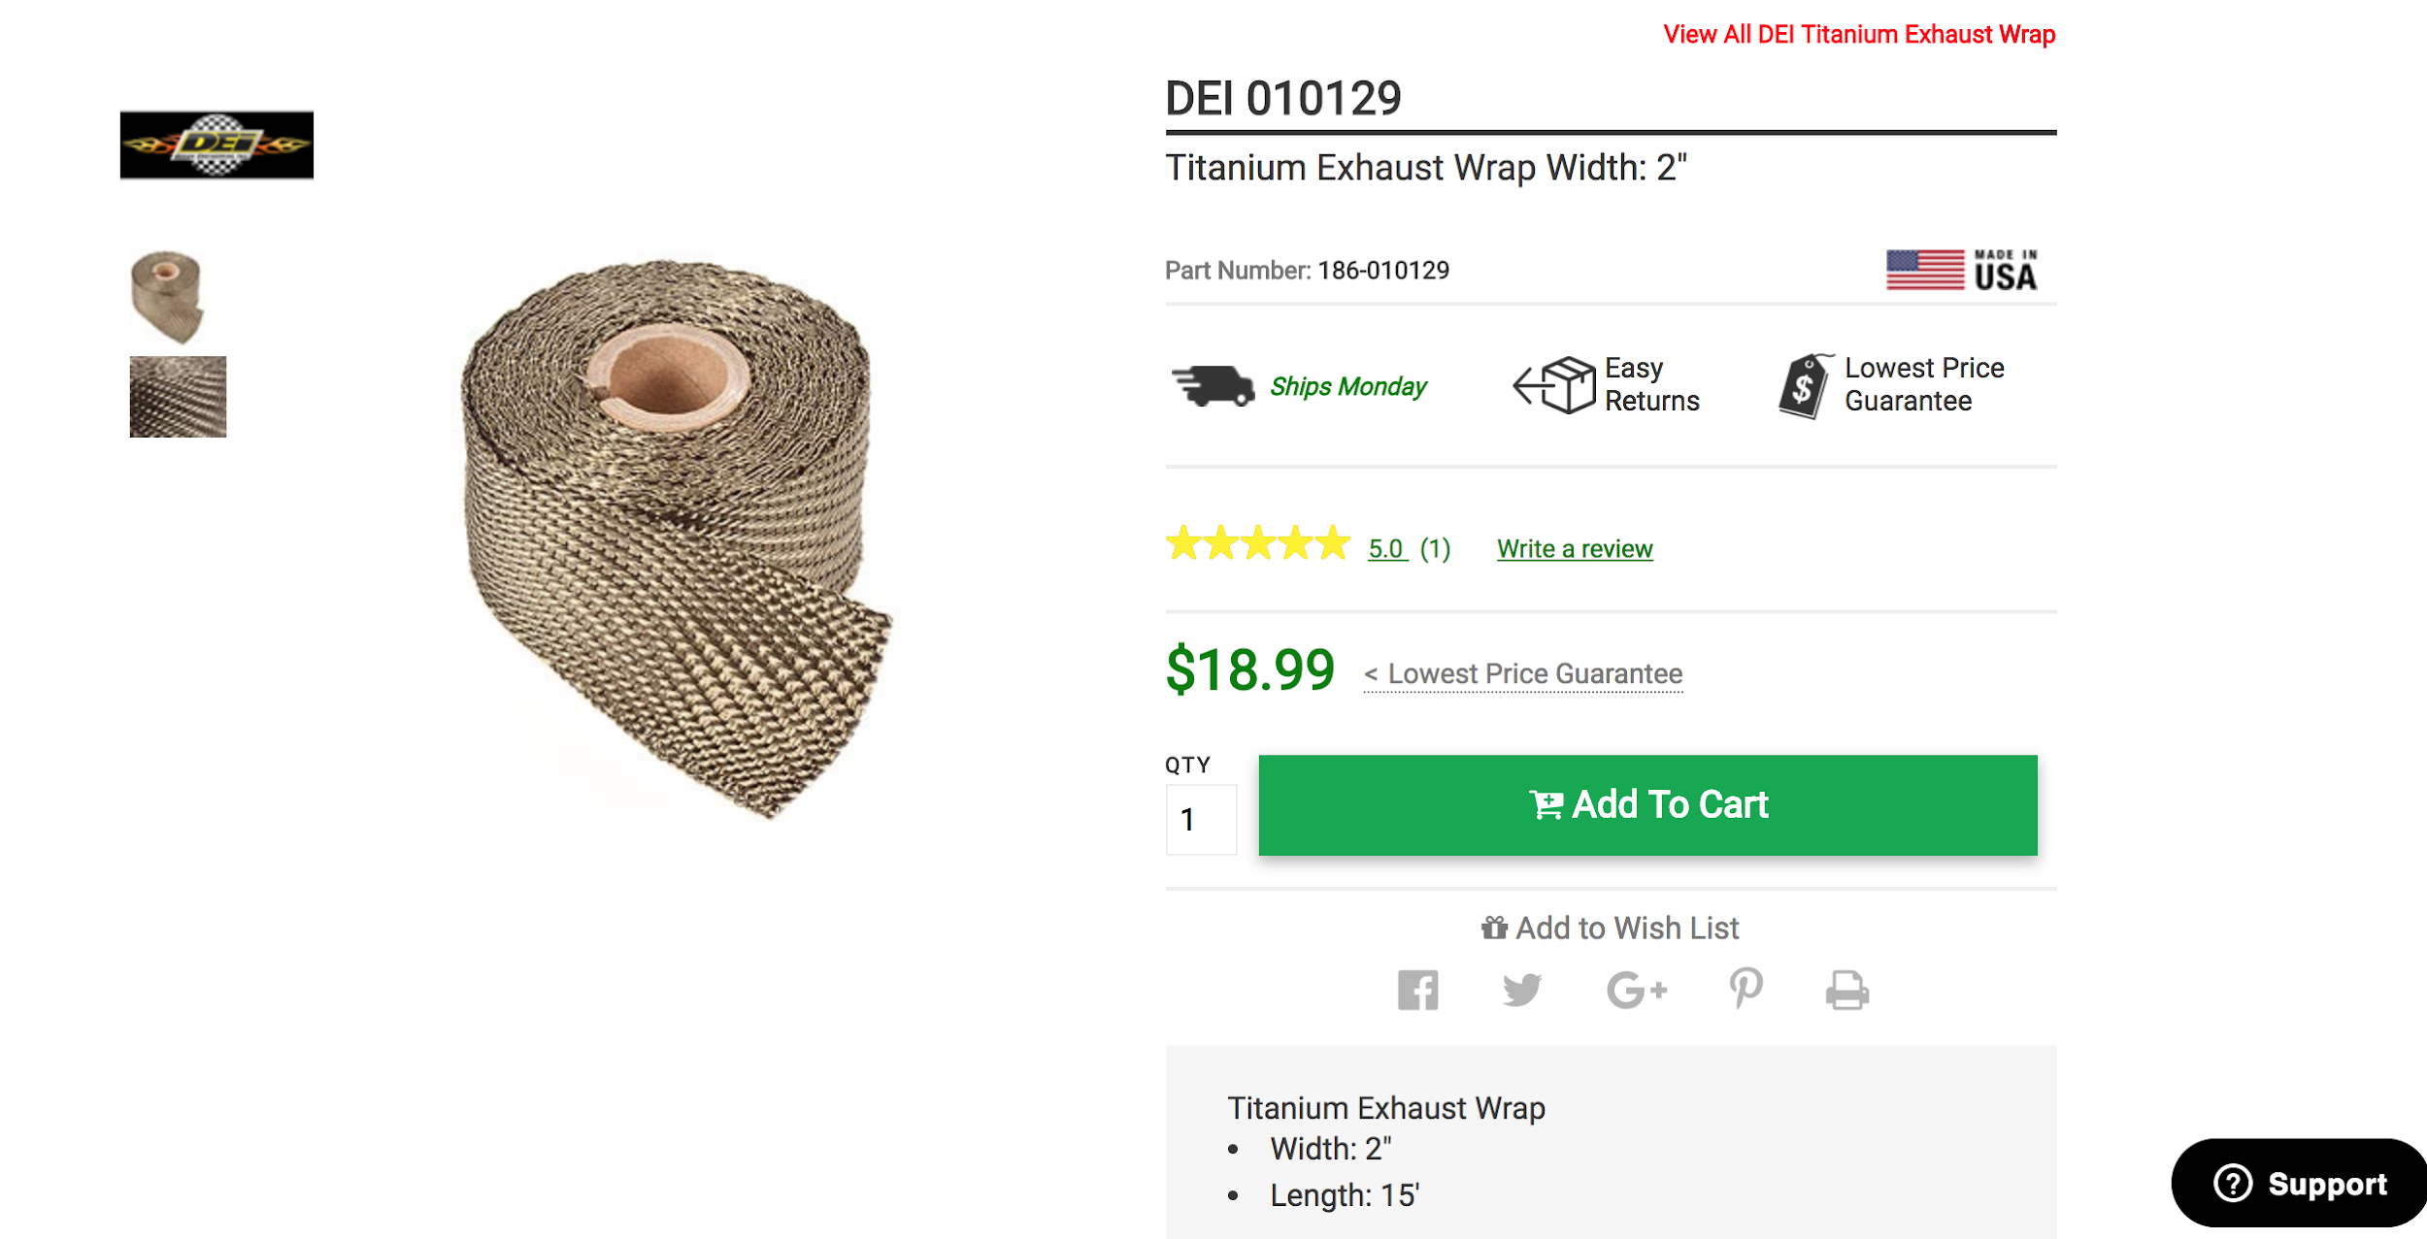

 | Catalyst total price calculator: $512.43

 |  |  | Estimated Catalyst Price (%) |  |  |  |  | Substrate/procurement price: | $27
 |  |  | $514.80

 | Catalyst Dimensions |  |  |  |  |  | Catalyst Loading Ratio
 | D(mm) | L(mm) | D(ft) | L(ft) | V(ft^3) |  | Cell density (g/ft^3) | parts Pt | Parts Pd | Parts Rh | total | fraction
 | 80 | 260 | 0.30183728 | 0.55118112 | 0.130664344 |  | 50 | 25 | 0 | 25 | 50 | 1

 | Pt ($/g) updated | Pd ($/g) updated | Rh ($/g) updated |  |  | Pt (g) | Pd(g) | Rh(g) |  | Pt($) | Pd($) | Rh($) | metal ($)
 | $27.93 | $36.84 | $82.95 |  |  | 4.396 | 0 | 4.396 |  | $125.86 | $0.00 | $364.65 | $487.43
 | *Prices for Pt and Rh updated 2/16/2018

 | Additional ccs: $259.00 |  |  |  |  | Link: | https://www.ski-doo.com/build-and-price/vehicle-configuration.html?configAirProfileName=BRP_SKI&configAirPlatformId=SKI_SKANDIC&modelYear=2019#buildId/08fa3697-e3cf-431a-b085-12ef54dd1bf5/step/2
 | *price difference used for cost per cc
