Reciepts - Documentation
600 Polaris Rush Pro-X Base Sled Price
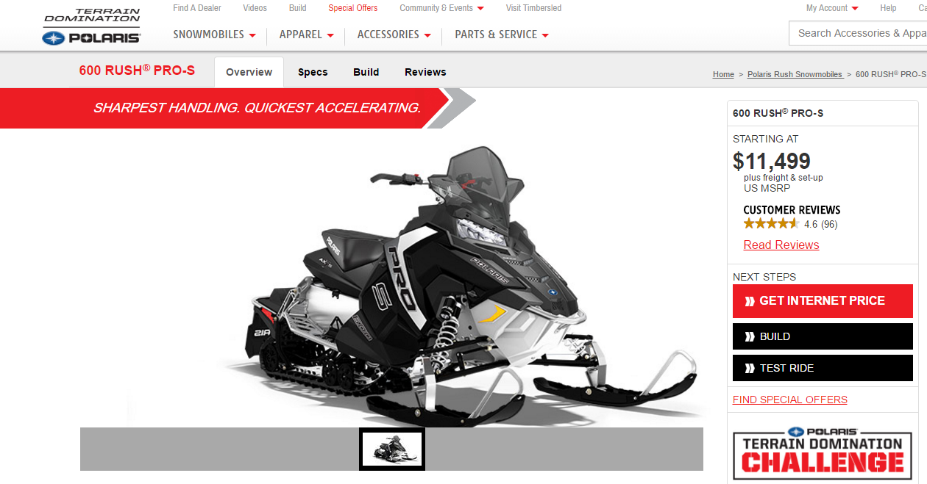
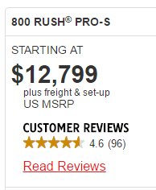
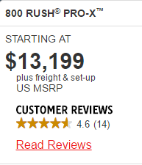

 | This value was calculated since there was not a 600 Pro-X model, $400 was added to the Pro-S base price. $400 was used because that was the price difference between the 800 Pro-S and Pro-X. |  | $11,899.00

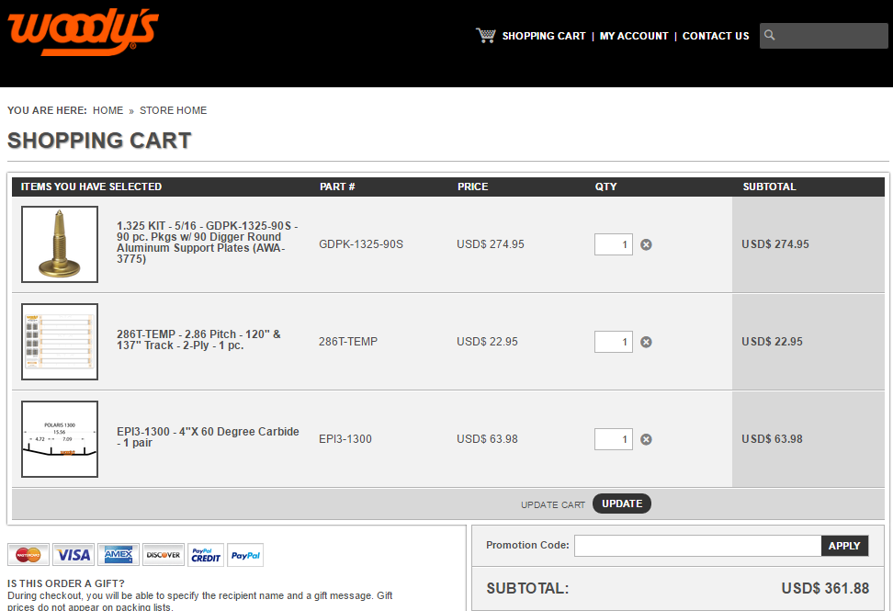
Studs and Carbides

Clutch Weights
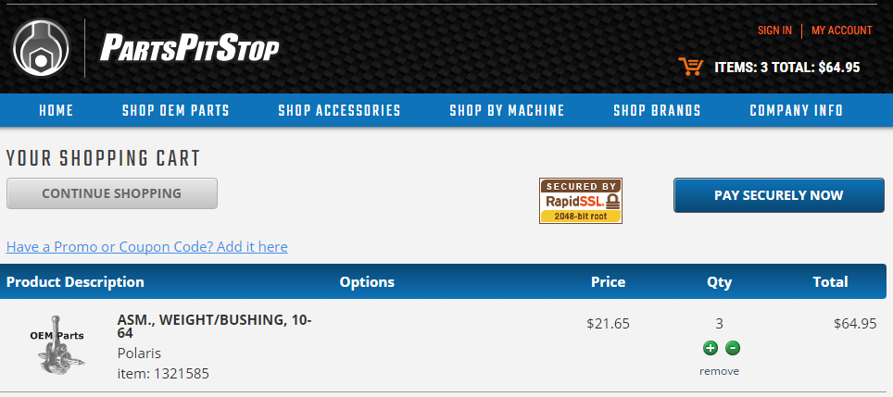

Catalyst
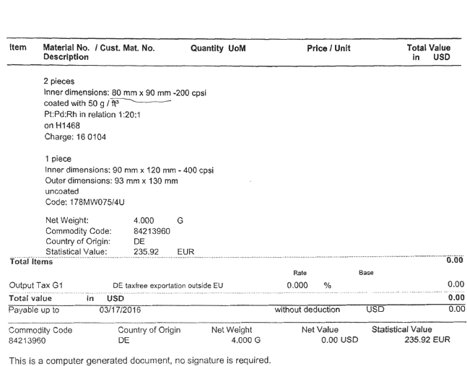

 |  | * Price is listed in Euros. Converts to US $260.22

Tether Kill Switch, Exhaust Wrap, Sound Deadening
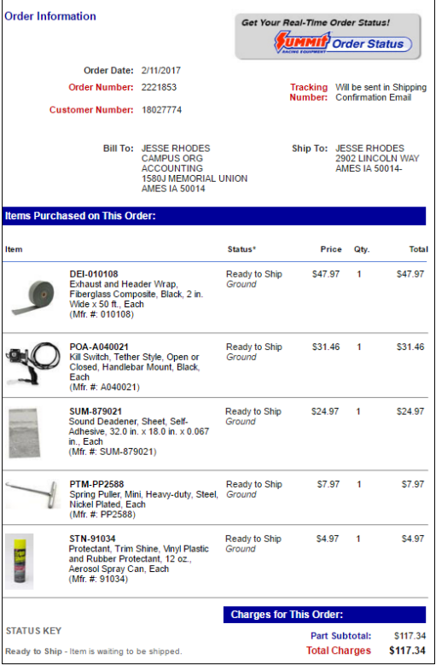

RAAM Mat


Flex Fuel Sensor
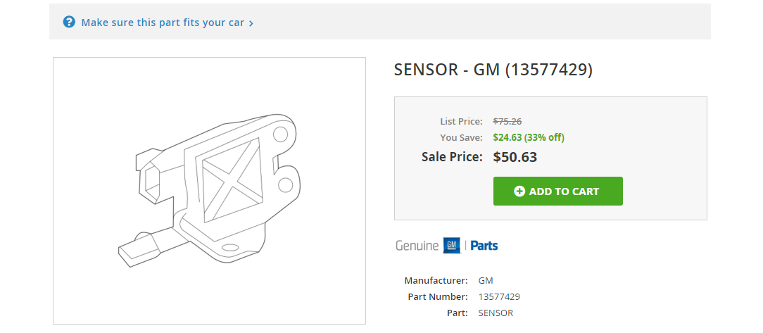

Track Comparrisons

